Page 1
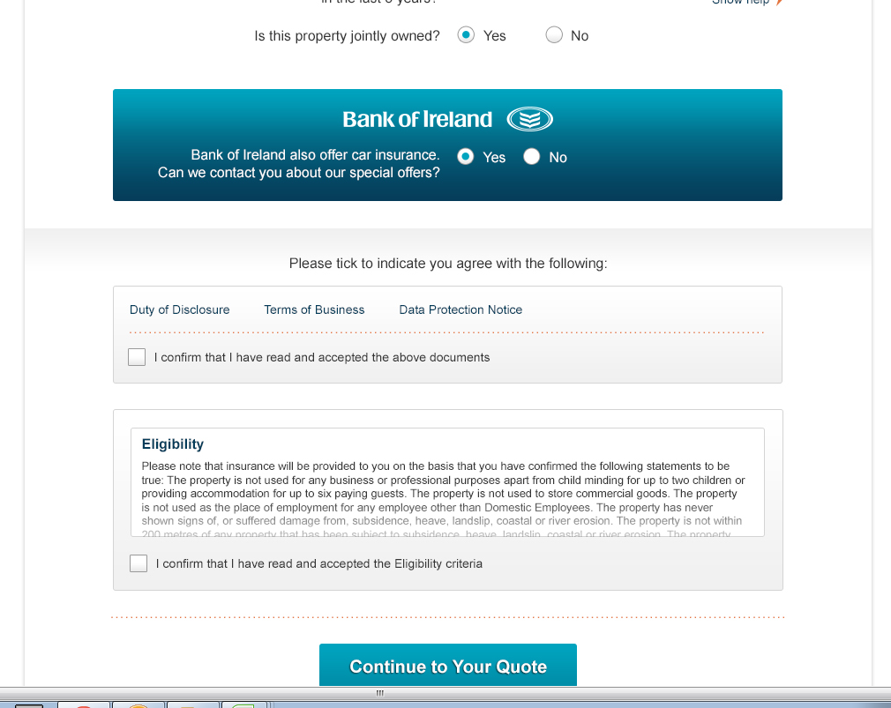

Need scroll for desk top

Need a new "box" here. The compliance text must be on mobiles as well. What has been agred is to keep the banner but move all the compliance text to this space.

Quote
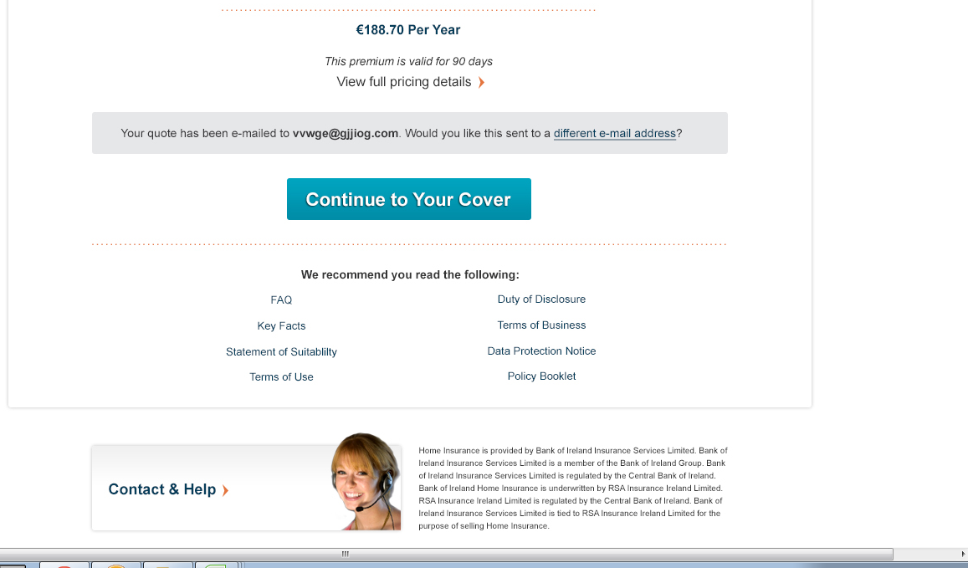
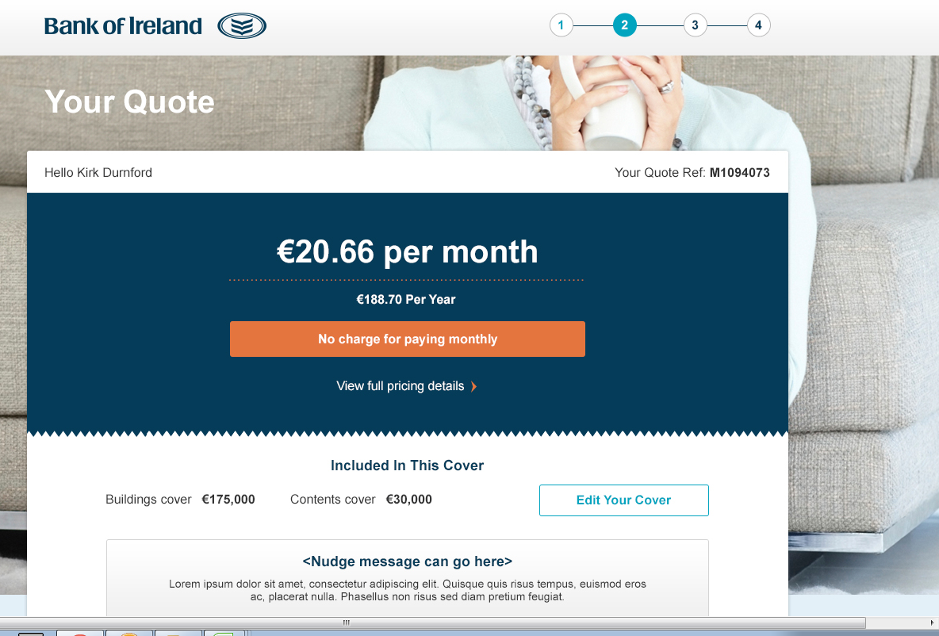

Please put text on breadcrum i.e. your details, your quote etc

Remove orange box - this is an action colour on other BOI sites.
Change to "pay monthly at no extra cost" and place it on right like the payment page of wireframe

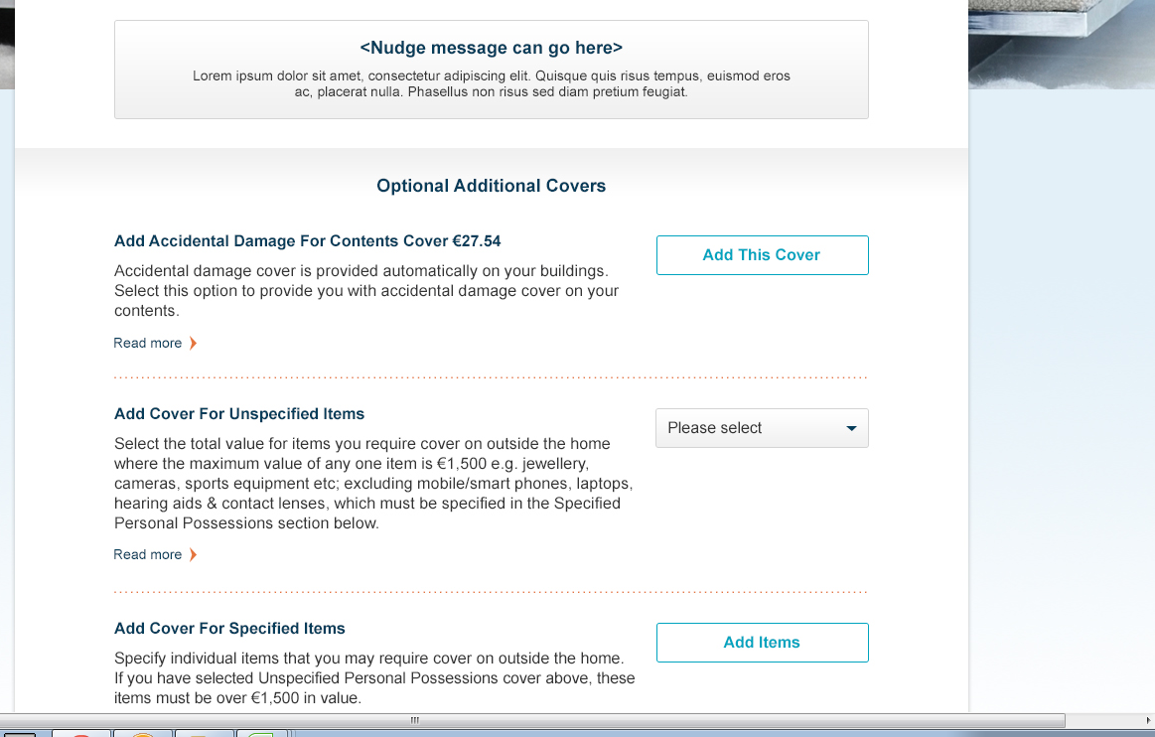

Use Add This Cover for each button

Place each cover individal boxes similar to Wireframe.

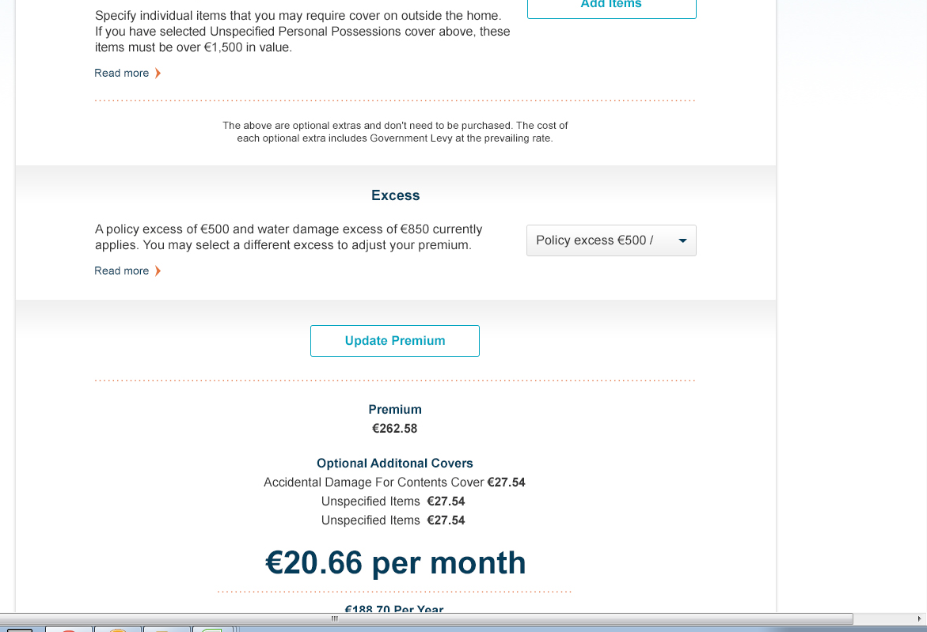

Add + and = images larrge size.
Add + and = images larrge size.

Payment
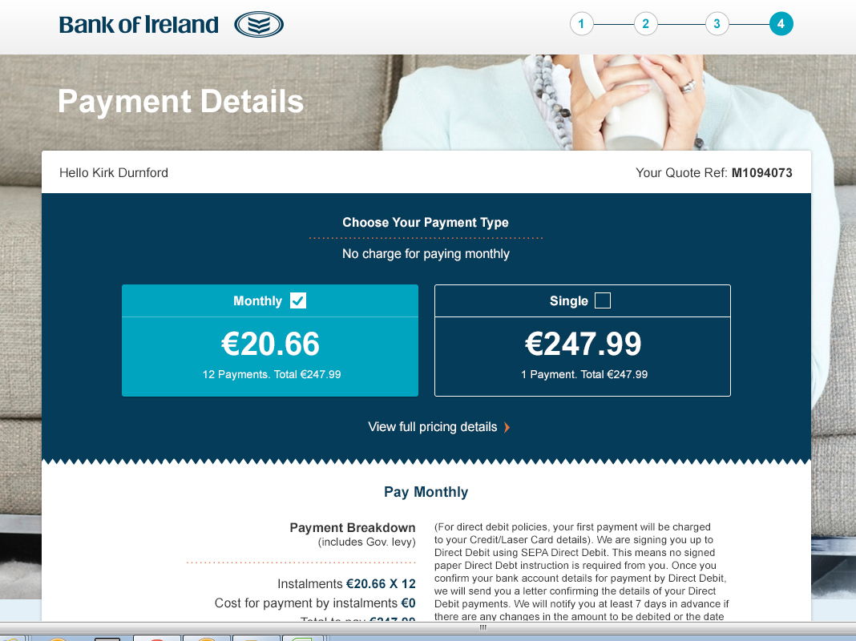

Change to "Pay monthly at no extra cost" and place in within the monthly box.
Mobile can go one on top of the other to fit this in. Monthly on top
Change to "Pay monthly at no extra cost" and place in within the monthly box.
Mobile can go one on top of the other to fit this in. Monthly on top

